ML Project Lifecycle Phases
Supervised Learning Project Lifecycle
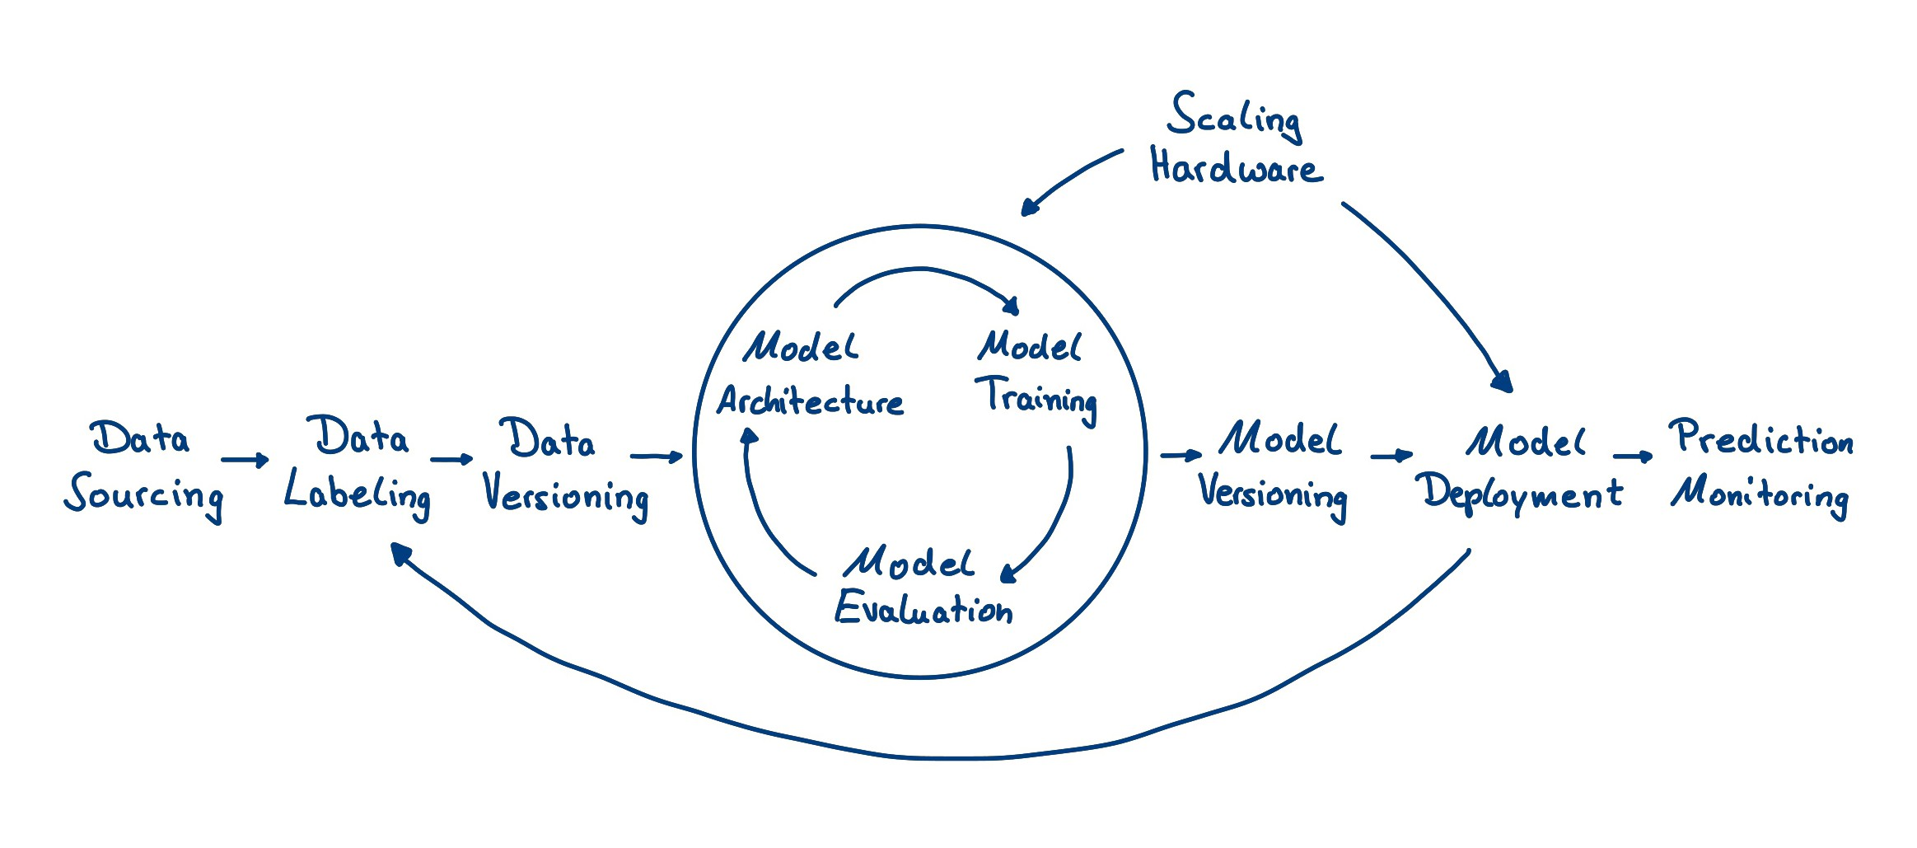

Reference: https://www.luminovo.ai/

DL Toolsets and Frameworks
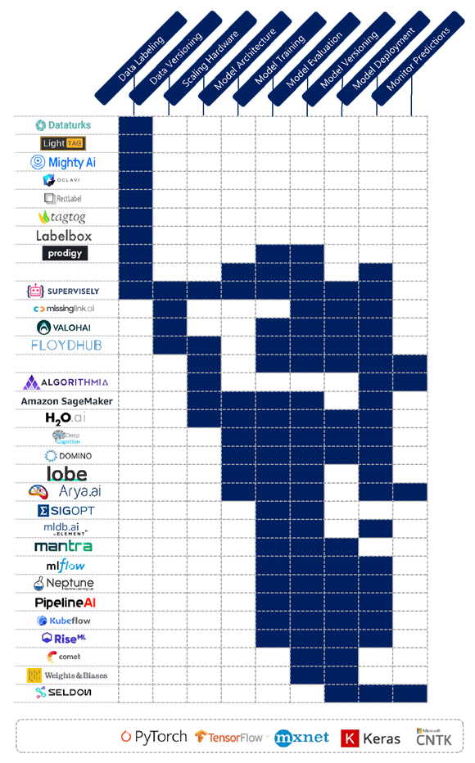

Reference: https://www.luminovo.ai/

